Sheet1
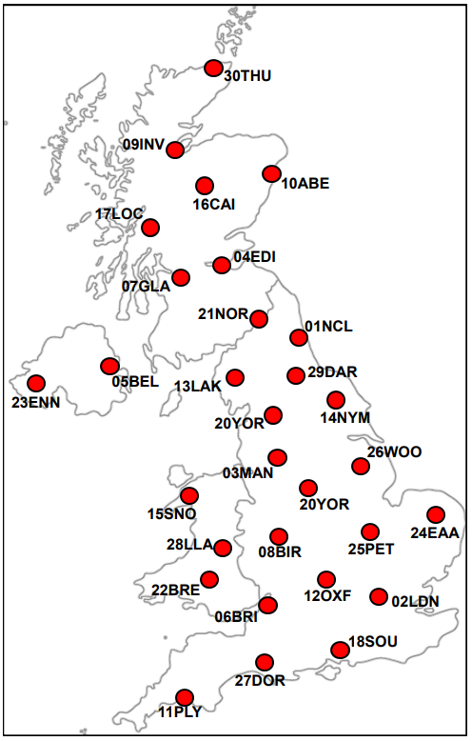

 | File Tag | Origin (BNG Coordinate System)
 |  | X | Y
Major cities
Newcastle | 01NCL | 422500 | 567500
London | 02LDN | 532500 | 182500
Manchester | 03MAN | 382500 | 397500
Edinburgh | 04EDI | 327500 | 672500
Belfast | 05BEL | 147500 | 532500
Bristol | 06BRI | 357500 | 172500
Glasgow | 07GLA | 257500 | 667500
Birmingham | 08BIR | 407500 | 287500
Inverness | 09INV | 267500 | 847500
Aberdeen | 10ABE | 392500 | 807500
Plymouth | 11PLY | 247500 | 57500
Oxford | 12OXF | 452500 | 207500
National Parks
Lake district (Grasmere) | 13LAK | 332500 | 507500
North York Moors (Thornton-le-Dale) | 14NYM | 482500 | 482500
Snowdonia (near Snowdon) | 15SNO | 262500 | 352500
Cairngorns (Aviemore) | 16CAI | 287500 | 812500
Loch Lomond (Inverarnan) | 17LOC | 232500 | 717500
South Downs ( Above Arundel) | 18SOU | 502500 | 112500
Peak District ( Bakewell) | 19PEA | 422500 | 372500
Yorkshire Dales (Buckden) | 20YOR | 392500 | 477500
Northumberland (Kielder) | 21NOR | 367500 | 587500
Brecon Beacons (Brecon) | 22BRE | 302500 | 227500
Other
Enniskillen (Northern Ireland) | 23ENN | 32500 | 507500
East Anglia (Near Norwich) | 24EAA | 617500 | 302500
Peterborough | 25PET | 517500 | 297500
Woodhall Spa (east of Lincoln) | 26WOO | 517500 | 362500
Dorset (Dorchester) | 27DOR | 367500 | 92500
Llandrindod (Central Wales) | 28LLA | 307500 | 262500
Darlington | 29DAR | 427500 | 512500
Thurso (Top of Scotland) | 30THU | 312500 | 967500

